Sheet1
4 Point Rigging Calculator

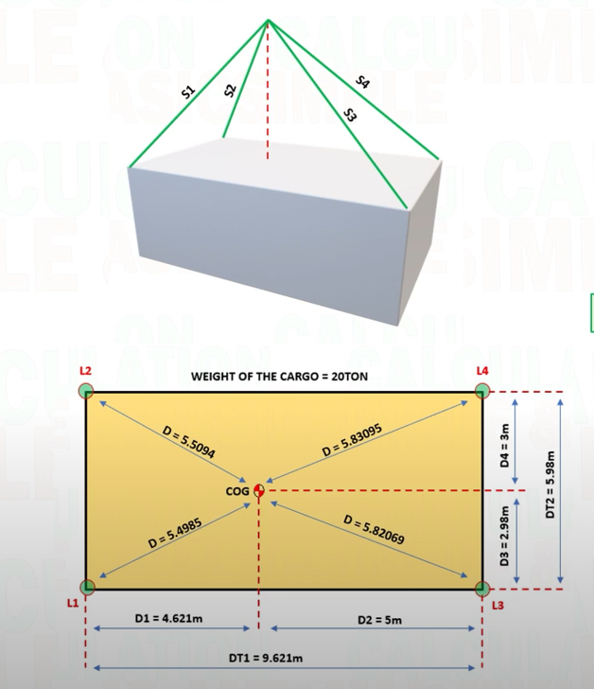
INPUT
W (WEIGHT OF CARGO) | 20 | t
COG(CENTER OF GRAVITY)
D1 (DISTANCE OF COG FROM LIFTING POINT 1) | 4.621 | m
D2 (DISTANCE OF COG FROM LIFTING POINT 3) | 5 | m
D3 (DISTANCE OF COG FROM LIFTING POINT 1 & 3) | 2.98 | m
D4 (DISTANCE OF COG FROM LIFTING POINT 2 & 4) | 3 | m
DT1 (TOTAL DISTANCE FOR D1 & D3) | 9.621 | m
DT2 (TOTAL DISTANCE FOR D3 & D4) | 5.98 | m
S1 (SLING LENGTH L1) | 10.146 | m
S2 (SLING LENGTH L2) | 10.146 | m
S3 (SLING LENGTH L3) | 10.324 | m
S4 (SLING LENGTH L4) | 10.324 | m
RW1 RIGGING EQUIPMENT (SLING, SHACKLE)ESTIMATE WEIGHT | 0.15 | t
RW2 RIGGING ESTIMATE WEIGHT | 0.15 | t
RW3 RIGGING ESTIMATE WEIGHT | 0.165 | t
RW4 RIGGING ESTIMATE WEIGHT | 0.165 | t
WLL(WORK LOAD LIMIT) OF SLING | 10 | t
WLL(WORK LOAD LIMIT) OF SHACKLE | 8.5 | t

TENSION AT SLING1 | 6.2510192293 | t
TENSION AT SLING2 | 6.2144591159 | t | t=ton
TENSION AT SLING3 | 5.8830315002 | t | m= meter
TENSION AT SLING4 | 5.8486238024 | t

LOAD AT L1 (LIFTING POINT1) | 5.2534537222 | t
LOAD AT L2 (LIFTING POINT2) | 5.2184306973 | t
LOAD AT L3 (LIFTING POINT3) | 4.858856254 | t
LOAD AT L4 (LIFTING POINT4) | 4.826463879 | t

SAFETY FACTOR OF SLING | 1.5997391198
SAFETY FACTOR OF SHACKLE | 1.3597782519

